DISC
DISC Short Profile, Click on the Icon to Start
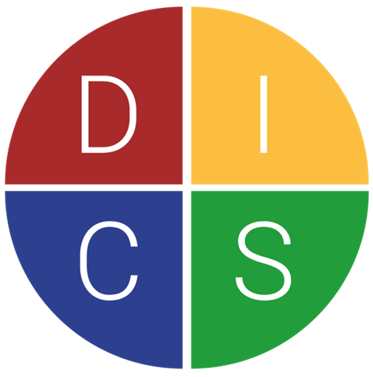

Nigel Smith
The Agility Coach for Project Professionals
People | Presentation | Process
+44 (0) 7885 455026
nigel@nigelsmith.coach



 | Once Completed, please Save and Note your Highest Score
 | in the | Tab 3 graph here

Profile
Short DISC Profile

D | 0
I | 0
S | 0 | What's your Dominant Style?
C | 0 | Are you a Commander? A Cheeleader? A Carer or a
 |  | Critical Thinker? Or more likely a Combination?

 |  | Once Completed, please Save and note your
 |  | highest score. Just remember it for the webinar.

 |  | Return to Title Sheet
 |  | Return to Score Sheet

